Assignment
UserData | Display User Data after Authentication with database
 | Note: Use the Classes prepared in the previous assignments. Perform the next tasks after the Login Authentication done in Assignment 1
 | 1.Class UserLogic.java
 | Properties : None
 | Method fetchUser
 | Fetch the data of the user on the basis of User Id provided as the parameter in this method
 | Prepare the UserBean Object for the fetched user and return it.

 | Method fetchAllUsers
 | Fetch the data of all the users and store it in a Collection
 | and return the Collection

 | 2.Class UserDataBean
 | Properties: FirstName, MiddleName, LastName, Gender, EmailId, Contact No, etc.
 | Setter and Getter methods as per requirements

 | 3. Class UserDataAction.java
 | Properties : username(String), userBean(UserBean)
 | Call the fetchUser method of UserLogic.java class
 | Display the UserDetails on a JSP page

 | Note: Refer Action Chaining in Struts 2 while calling this action. (Calling Action From Another Action)

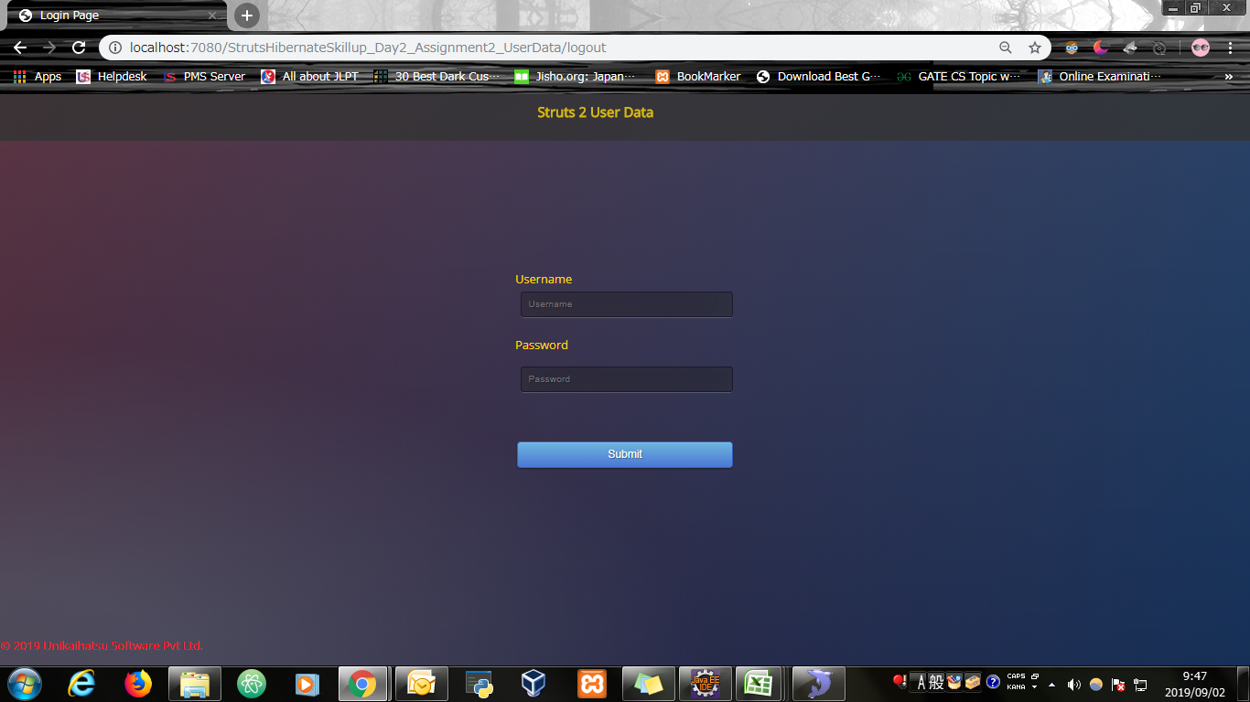
Input Screen


Input Screen with value entered

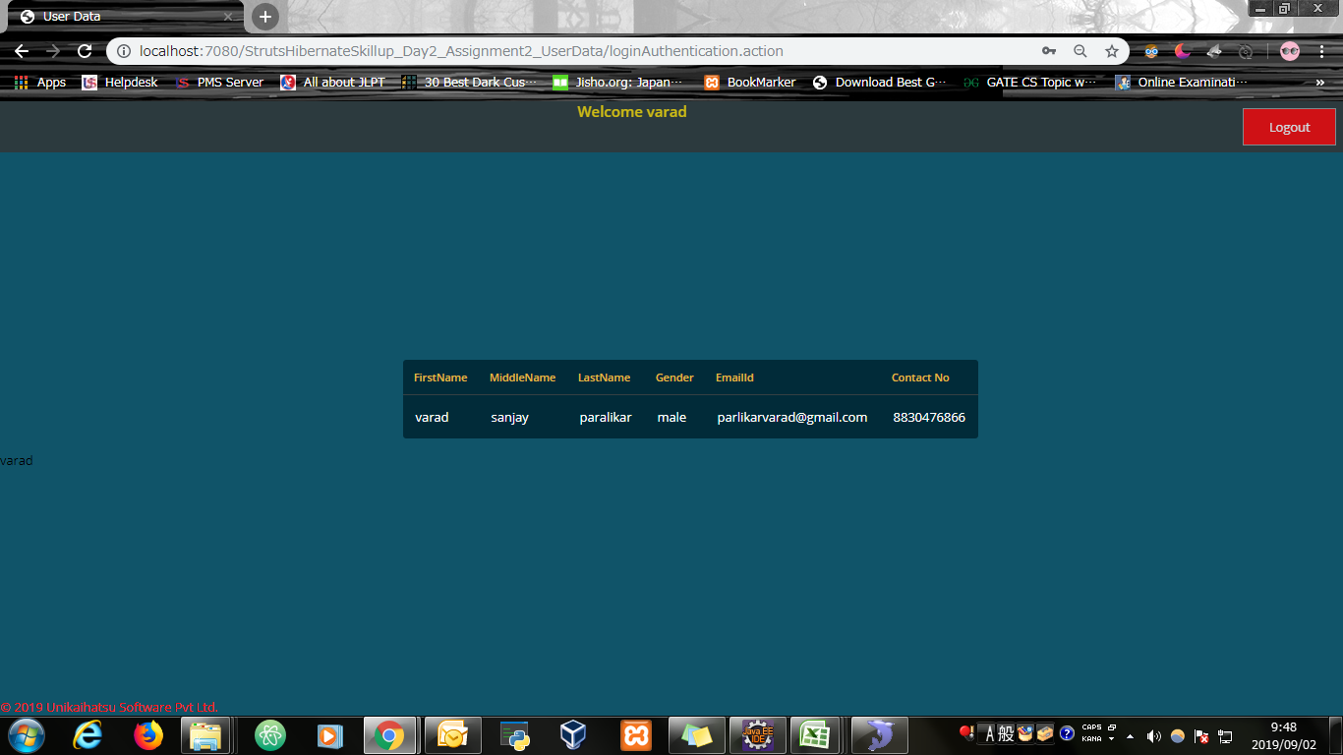
Output Screen

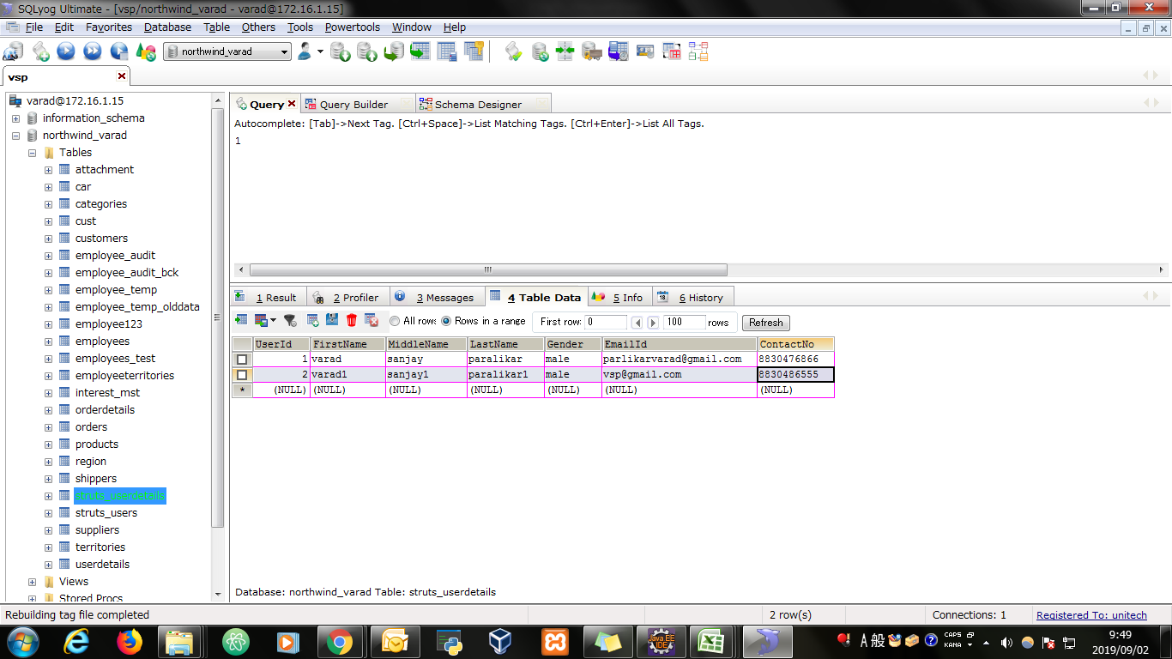
Database

Evidence
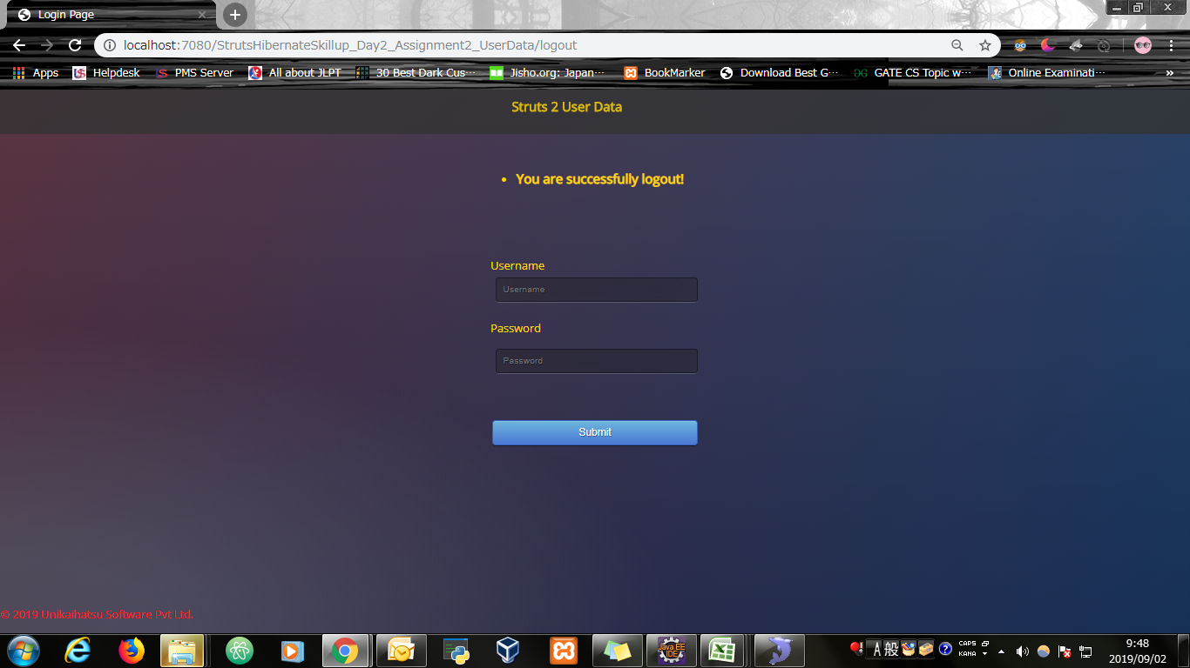
Screen shoot 1: | Page Load

Screen shoot 2: | Error Message

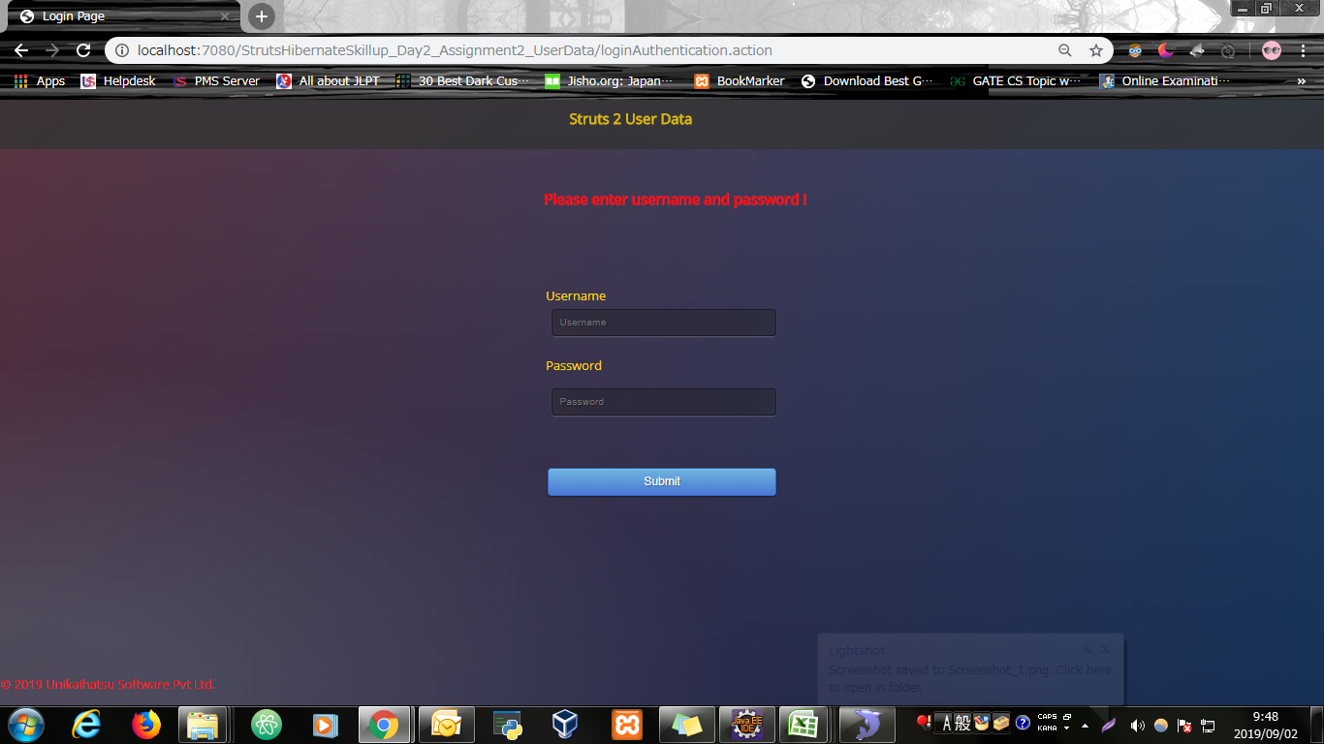

Screen shoot 3: | User Data

Screen shoot 4: | Logout Message

